Pandas&SQL
 |  | Pandas & SQL

Module | Command | Description | Element | Operation | Answer
pandas
pandas | pd.read_csv | filepath_or_buffer
 |  | *
 |  | sep=_NoDefault.no_default
 |  | delimiter=None
 |  | header='infer'
 |  | names=_NoDefault.no_default
 |  | index_col=None
 |  | usecols=None
 |  | dtype=None
 |  | engine=None
 |  | converters=None
 |  | true_values=None
 |  | false_values=None
 |  | skipinitialspace=False
 |  | skiprows=None
 |  | skipfooter=0
 |  | nrows=None
 |  | na_values=None
 |  | keep_default_na=True
 |  | na_filter=True
 |  | verbose=False
 |  | skip_blank_lines=True
 |  | parse_dates=None
 |  | infer_datetime_format=_NoDefault.no_default
 |  | keep_date_col=False
 |  | date_parser=_NoDefault.no_default
 |  | date_format=None
 |  | dayfirst=False
 |  | cache_dates=True
 |  | iterator=False
 |  | chunksize=None
 |  | compression='infer'
 |  | thousands=None
 |  | decimal='.'
 |  | lineterminator=None
 |  | quotechar='"'
 |  | quoting=0
 |  | doublequote=True
 |  | escapechar=None
 |  | comment=None
 |  | encoding=None
 |  | encoding_errors='strict'
 |  | dialect=None
 |  | on_bad_lines='error'
 |  | delim_whitespace=False
 |  | low_memory=True
 |  | memory_map=False
 |  | float_precision=None
 |  | storage_options=None
 |  | dtype_backend=_NoDefault.no_default
pandas | pd.read_csv | pd.read_csv("filepath", header=0)
pandas | df.columns
pandas | df.index
pandas | df.info()
pandas | df.at() | Access a single value for a row/column label pair. | df = pd.DataFrame([[0, 2, 3], [0, 4, 1], [10, 20, 30]], index=[4, 5, 6], columns=['A', 'B', 'C'])
pandas | df.iat() | Access a single value for a row/column pair by integer position. | df = pd.DataFrame([[0, 2, 3], [0, 4, 1], [10, 20, 30]], index=[4, 5, 6], columns=['A', 'B', 'C']) | df.iat[1, 2] | # 1
pandas | df.loc() | Access a group of rows and columns by label(s) or a boolean array.
pandas | df.iloc() | Purely integer-location based indexing for selection by position.
pandas | df.query() |  | df.query('statement1' and/or 'statement2' …)

pandas |  | # create a new dataframe student_dict = {'Name': ['Joe', 'Nat', np.NaN, 'Harry'], 'Age': [20, 21, np.NaN, 19], 'Marks': [85.10, 77.80, np.NaN, 91.54]} | # create DataFrame from dict student_df = pd.DataFrame(student_dict, index=['s1', 's2', 's3', 's4']) | print(student_df) | Name Age Marks s1 Joe 20.0 85.10 s2 Nat 21.0 77.80 s3 Sam NaN NaN s4 Harry 19.0 91.54
pandas | df.dropna() | # Remove missing values. df.dropna(*, axis={0 or ‘index’, 1 or ‘columns’}, default 0 how={‘any’, ‘all’}, default ‘any’ #‘any’ : If any NA values are present, drop that row or column #‘all’ : If all values are NA, drop that row or column. inplace=bool, default False # Whether to modify the DataFrame rather than creating a new one. thresh=_NoDefault.no_default, subset=None, ignore_index=False) | # drop NA student_df = student_df.dropna() | print(student_df) | Name Age Marks s1 Joe 20.0 85.10 s2 Nat 21.0 77.80 s4 Harry 19.0 91.54
pandas | df.reset_index() | #reset the index of the updated DataFrame. df.reset_index(level=None, *, drop=bool, default False # Do not try to insert index into dataframe columns. This resets the index to the default integer index. inplace=bool, default False Whether to modify the DataFrame rather than creating a new one. col_level=0, col_fill='', allow_duplicates=_NoDefault.no_default, names=None) | # reset index student_df.reset_index(drop=True) | print(student_df) | Name Age Marks 0 Joe 20.0 85.10 1 Nat 21.0 77.80 2 Harry 19.0 91.54
 | df.drop_duplicates() | Return DataFrame with duplicate rows removed.
Oracle_SQL
Oracle_SQL | SELECT | SELECT column_1, column_2, ... FROM table_name; | 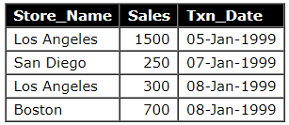 | " * " if select all the columns SELECT Store_Name FROM Store_Information; | Store_Name Los Angeles San Diego Los Angeles Bosto
Oracle_SQL | DISTINCT | SELECT DISINCT column_1, column_2, ... FROM table_name; |  | SELECT DISTINCT Store_Name FROM Store_Information; | Store_Name Los Angeles San Diego Boston
Oracle_SQL | ORDER BY | SELECT column_1, column_2, ... FROM table_name ORDER BY column ASC or DESC; | ASC, DESC, (升冪,降冪)
Oracle_SQL | WHERE | SELECT column_1, column_2, ... FROM table_name WHERE search_statement;
Oracle_SQL | LIKE | SELECT column_1, column_2, ... FROM table_name WHERE search_statement LIKE pattern; % (percent) matches any string of zero or more character. _ (underscore) matches any single character. | columns = ['steiner','stanford','jennifer','jeni',jeri] | pattern= 1.'St%' 2.'%er' 3.'Je_i' | 1.'steiner','stanford' 2.'steiner','jennifer' 3.'jeni',jeri

Matplot&Seanborn
 |  | Matplot & Seaborn

Module | Command | Description | Element | Operation | Answer
matplotlib
matplotlib | plt.subplots | plt.subplots(nrows, ncols, layout="constrained")
 |  | np.random.seed(19680801) data = np.random.random((50, 50, 50)) fig, ax = plt.subplots() for i, img in enumerate(data): ax.clear() ax.imshow(img) ax.set_title(f"frame {i}") # Note that using time.sleep does *not* work here! plt.pause(0.1)
matplotlib | mcolors.BASE_COLORS | {'b': (0, 0, 1), 'g': (0, 0.5, 0), 'r': (1, 0, 0), 'c': (0, 0.75, 0.75), 'm': (0.75, 0, 0.75), 'y': (0.75, 0.75, 0), 'k': (0, 0, 0), 'w': (1, 1, 1)} | 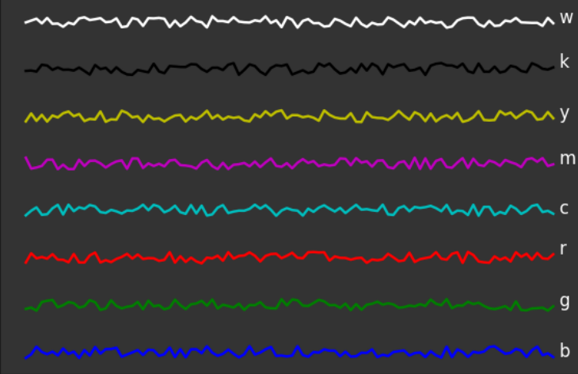
 |  | {'tab:blue':'C0', 'tab:orange':'C1', 'tab:green':'C2', 'tab:red':'C3', 'tab:purple':'C4', 'tab:brown':'C5', 'tab:pink':'C6', 'tab:gray':'C7', 'tab:olive':'C8', 'tab:cyan':'C9'} |  | 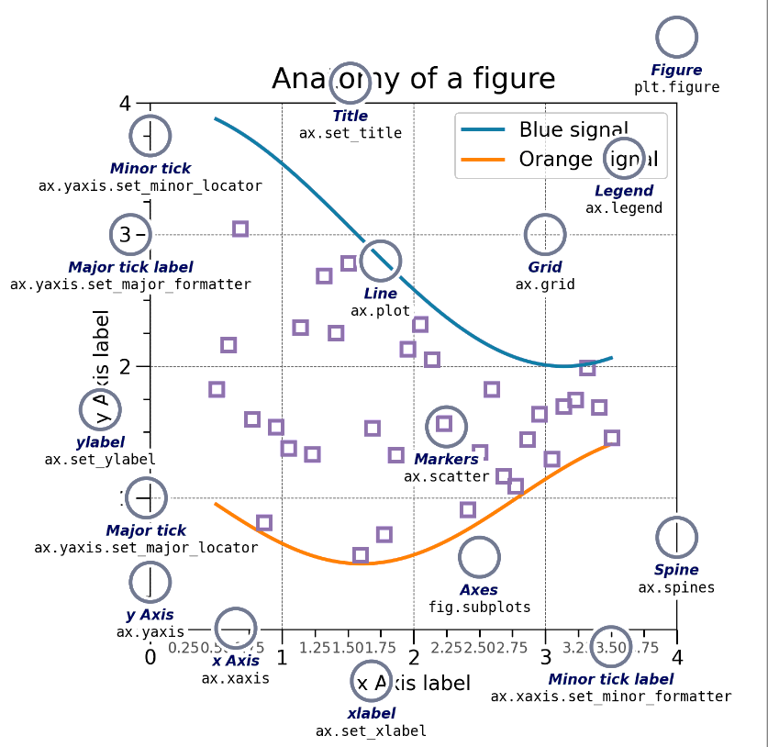
matplotlib | mcolors.TABLEAU_COLORS plt.rcParams["axes.prop_cycle"] | { 'tab:blue': '#1f77b4', 'tab:orange': '#ff7f0e', 'tab:green': '#2ca02c', 'tab:red': '#d62728', 'tab:purple': '#9467bd', 'tab:brown': '#8c564b', 'tab:pink': '#e377c2', 'tab:gray': '#7f7f7f', 'tab:olive': '#bcbd22', 'tab:cyan': '#17becf'} | 

Matplotlib CheatSheet
